Training
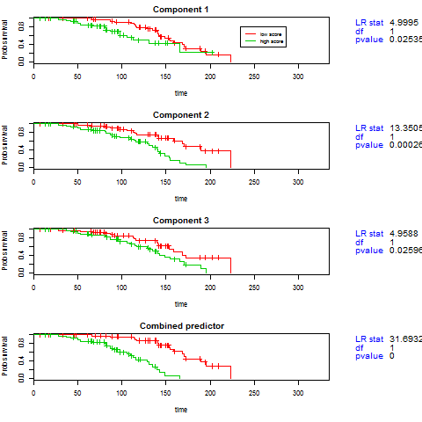
Training Error
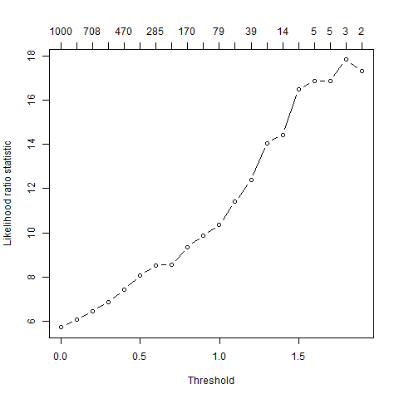

List of Significant Genes
Importance-score | Raw-score | Name
-130.981 | -1.774 | GENE18
-125.3 | -1.015 | GENE43
-123.349 | -2.072 | GENE72
-116.646 | -1.241 | GENE14
-112.63 | -1.323 | GENE69
-111.471 | -1.347 | GENE21
-110.715 | -1.096 | GENE62
-110.691 | -1.046 | GENE12
-109.701 | -1.289 | GENE81
-109.382 | -1.217 | GENE23
-108.777 | -1.421 | GENE22
-106.761 | -1.209 | GENE73
-106.506 | -1.103 | GENE34
-105.777 | -1.223 | GENE49
-105.39 | -1.504 | GENE54
-104.253 | -1.222 | GENE48
-104.164 | -1.28 | GENE89
-103.456 | -1.012 | GENE45
-103.218 | -1.495 | GENE35
-102.772 | -1.46 | GENE82
-102.031 | -1.435 | GENE95
-101.536 | -1.041 | GENE1
-101.261 | -1.12 | GENE29
-100.857 | -1.165 | GENE75
-100.378 | -1.287 | GENE39
-100.184 | -1.267 | GENE60
-100.101 | -1.183 | GENE98
-99.07 | -1.441 | GENE65
-98.366 | -1.424 | GENE8
-97.944 | -1.549 | GENE31
-97.707 | -1.05 | GENE16
-97.387 | -1.012 | GENE66
-96.939 | -1.118 | GENE17
-95.946 | -1.899 | GENE19
-94.598 | -1.738 | GENE59
-93.705 | -1.163 | GENE25
-93.343 | -1.563 | GENE20
-93.125 | -1.172 | GENE68
-92.616 | -1.346 | GENE64
-91.497 | -1.038 | GENE10
-91.23 | -1.184 | GENE24
-90.362 | -1.036 | GENE56
-89.225 | -1.12 | GENE94
-87.947 | -1.799 | GENE85
-84.975 | -1.017 | GENE51
-78.073 | -1.014 | GENE42
28.618 | 1.348 | GENE283
19.578 | 1.211 | GENE229
16.684 | 1.223 | GENE646
15.053 | -1.142 | GENE771
14.877 | 1.037 | GENE643
-14.554 | -1.019 | GENE770
-13.5 | -1.146 | GENE327
12.996 | 1.322 | GENE650
12.426 | 1.153 | GENE329
-11.042 | -1.334 | GENE595
8.813 | 1.039 | GENE822
-8.794 | -1.009 | GENE878
8.712 | -1.012 | GENE925
-8.442 | -1.129 | GENE419
7.903 | -1.236 | GENE622
7.442 | 1.09 | GENE560
7.222 | -1.033 | GENE370
6.359 | 1.038 | GENE317
6.137 | 1.169 | GENE913
-6.023 | -1.01 | GENE800
-5.859 | -1.202 | GENE882
4.943 | -1.242 | GENE688
-4.555 | -1.124 | GENE274
3.875 | 1.066 | GENE914
3.034 | -1.048 | GENE728
2.22 | -1.305 | GENE704
-1.983 | 1.122 | GENE863
1.594 | 1.029 | GENE242
-1.531 | 1.217 | GENE956
-1.455 | 1.011 | GENE133
-1.357 | -1.278 | GENE517
-1.212 | -1.216 | GENE223
0.423 | 1.246 | GENE207

Response Prediction Row

Cross Validation
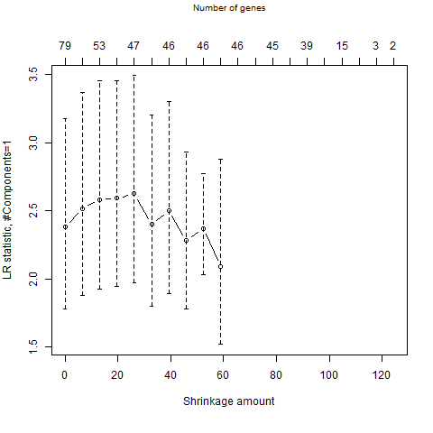
CV curves
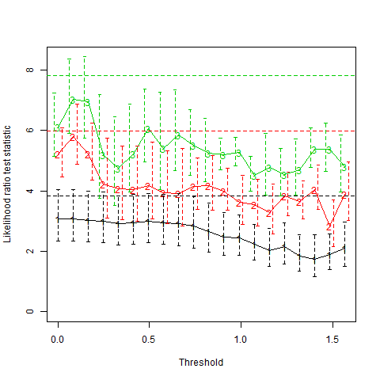

Reduced model CV

Test Set Prediction
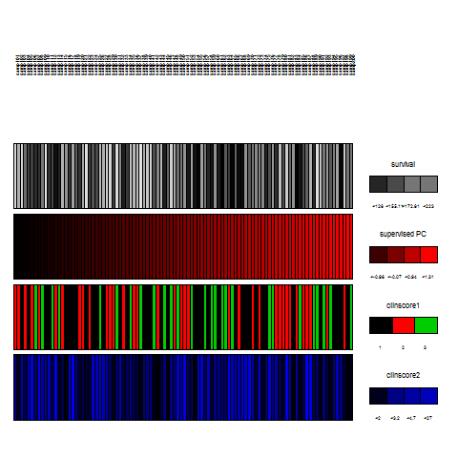
Test Error
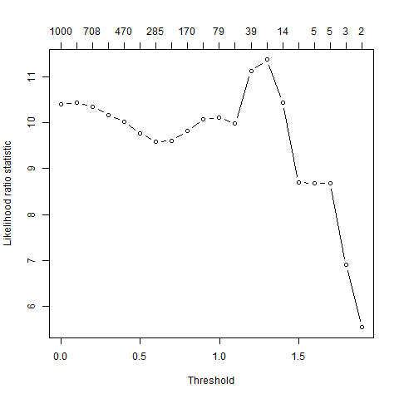

Prediction info
samp101 | samp102 | samp103 | samp104 | samp105 | samp106 | samp107 | samp108 | samp109 | samp110 | samp111 | samp112 | samp113 | samp114 | samp115 | samp116 | samp117 | samp118 | samp119 | samp120 | samp121 | samp122 | samp123 | samp124 | samp125 | samp126 | samp127 | samp128 | samp129 | samp130 | samp131 | samp132 | samp133 | samp134 | samp135 | samp136 | samp137 | samp138 | samp139 | samp140 | samp141 | samp142 | samp143 | samp144 | samp145 | samp146 | samp147 | samp148 | samp149 | samp150 | samp151 | samp152 | samp153 | samp154 | samp155 | samp156 | samp157 | samp158 | samp159 | samp160 | samp161 | samp162 | samp163 | samp164 | samp165 | samp166 | samp167 | samp168 | samp169 | samp170 | samp171 | samp172 | samp173 | samp174 | samp175 | samp176 | samp177 | samp178 | samp179 | samp180 | samp181 | samp182 | samp183 | samp184 | samp185 | samp186 | samp187 | samp188 | samp189 | samp190 | samp191 | samp192 | samp193 | samp194 | samp195 | samp196 | samp197 | samp198 | samp199 | samp200
0.55724198334 | 0.4775212423 | 0.52245148246 | 0.44482841906 | 0.52937318728 | 0.44959216577 | 0.46326321469 | 0.49837580269 | 0.54877065682 | 0.4835954465 | 0.47144572312 | 0.62611625021 | 0.30525268454 | 0.54375034491 | 0.57493334162 | 0.49613179545 | 0.44181734331 | 0.4431464555 | 0.44477184063 | 0.46814097812 | 0.44410703142 | 0.42935120121 | 0.41572354652 | 0.49014756439 | 0.5411244152 | 0.59712078474 | 0.5922610937 | 0.39023129739 | 0.46556054382 | 0.44795416813 | 0.5114609618 | 0.61552629896 | 0.47725229904 | 0.57438617816 | 0.46206291098 | 0.48314132541 | 0.61448013655 | 0.696865729 | 0.57086353018 | 0.60223444605 | 0.50194966151 | 0.35327149128 | 0.58929640557 | 0.43635107063 | 0.542922716 | 0.55872557859 | 0.50264653668 | 0.49799309786 | 0.54552189995 | 0.57252304061 | -0.50230653973 | -0.47739215808 | -0.60737749791 | -0.48277386163 | -0.51241492557 | -0.53454577925 | -0.54246581508 | -0.50150960514 | -0.45790627672 | -0.44004002028 | -0.59119033123 | -0.61650524468 | -0.40914937075 | -0.5372417881 | -0.51333312595 | -0.5342377999 | -0.41460116822 | -0.6060594028 | -0.37827468827 | -0.52732760356 | -0.54129350126 | -0.49315072314 | -0.60693767746 | -0.42763584398 | -0.47161583529 | -0.52648742048 | -0.48594286532 | -0.46134934134 | -0.52753267256 | -0.57987057031 | -0.40501029507 | -0.49665603835 | -0.48175628254 | -0.57170778523 | -0.63700699877 | -0.52012980441 | -0.43034055025 | -0.50850790948 | -0.55378388496 | -0.51468878799 | -0.40481139061 | -0.43051761147 | -0.58047399632 | -0.57293110085 | -0.45957625371 | -0.62114311196 | -0.49803679368 | -0.5104070562 | -0.4513748697 | -0.46372118647

coef | exp(coef) | se(coef) | z | Pr(>|z|)
0.6009184512 | 1.8237930963 | 0.18662642568 | 3.219900124 | 0.0012823526524

test statistic | df | p-value
10.113467662 | 1 | 0.0014718976009

Response Prediction Plot
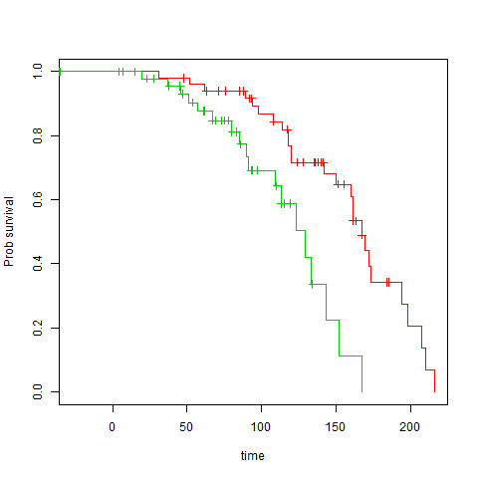

Rainbow Plot

